Sheets to MFMC
Click me to make an .mfmc
Identifier (Optional) | Title/Description | Arduino Pin Number | Device Type | Notes | Read Instructions if Stuck :D
 | GND | GND
 | 5V | 5V
 |  | Digital pin 2 (PWM) | Button
 |  | Digital pin 3 (PWM) | Button
 |  | Digital pin 4 (PWM) | Button
 |  | Digital pin 5 (PWM) | Button
 |  | Digital pin 6 (PWM) | Button
 |  | Digital pin 7 (PWM) | Button
 |  | Digital pin 8 (PWM) | Button
 |  | Digital pin 9 (PWM) | Button
 |  | Digital pin 10 (PWM) | Button
 |  | Digital pin 11 (PWM) | Button
 |  | Digital pin 12 (PWM) | Button
 |  | Digital pin 13 (PWM) | Empty | I prefer to keep pin 13 empty on Mega because of potential onboard LED interference
 |  | Digital pin 14 (TX3) | Button
 |  | Digital pin 15 (RX3) | Button
 |  | Digital pin 16 (TX2) | Button
 |  | Digital pin 17 (RX2) | Button
 |  | Digital pin 18 (TX1) | Button
 |  | Digital pin 19 (RX1) | Button
 |  | Digital pin 20 (SDA) | Button
 |  | Digital pin 21 (SCL) | Button
 |  | Digital pin 22 | Button
 |  | Digital pin 23 | Button
 |  | Digital pin 24 | Button
 |  | Digital pin 25 | Button
 |  | Digital pin 26 | Button
 |  | Digital pin 27 | Button
 |  | Digital pin 28 | Button
 |  | Digital pin 29 | Button
 |  | Digital pin 30 | Button
 |  | Digital pin 31 | Button
 |  | Digital pin 32 | Button
 |  | Digital pin 33 | Button
 |  | Digital pin 34 | Button
 |  | Digital pin 35 | Button
 |  | Digital pin 36 | Button
 |  | Digital pin 37 | Button
 |  | Digital pin 38 | Button
 |  | Digital pin 39 | Button
 |  | Digital pin 40 | Button
 |  | Digital pin 41 | Button
 |  | Digital pin 42 | Button
 |  | Digital pin 43 | Button
 |  | Digital pin 44 (PWM) | Button
 |  | Digital pin 45 (PWM) | Button
 |  | Digital pin 46 (PWM) | Button
 |  | Digital pin 47 | Button
 |  | Digital pin 48 | Button
 |  | Digital pin 49 | Button
 |  | Digital pin 50 (MISO) | Button
 |  | Digital pin 51 (MOSI) | Button
 |  | Digital pin 52 (SCK) | Button
 |  | Digital pin 53 (SS) | Button
 |  | Analog pin 0 | Button
 |  | Analog pin 1 | Button
 |  | Analog pin 2 | Button
 |  | Analog pin 3 | Button
 |  | Analog pin 4 | Button
 |  | Analog pin 5 | Button
 |  | Analog pin 6 | Button
 |  | Analog pin 7 | Button
 |  | Analog pin 8 | Button
 |  | Analog pin 9 | Button
 |  | Analog pin 10 | Button
 |  | Analog pin 11 | Button
 |  | Analog pin 12 | Button
 |  | Analog pin 13 | Button
 |  | Analog pin 14 | Button
 |  | Analog pin 15 | Button

NotesInstructions
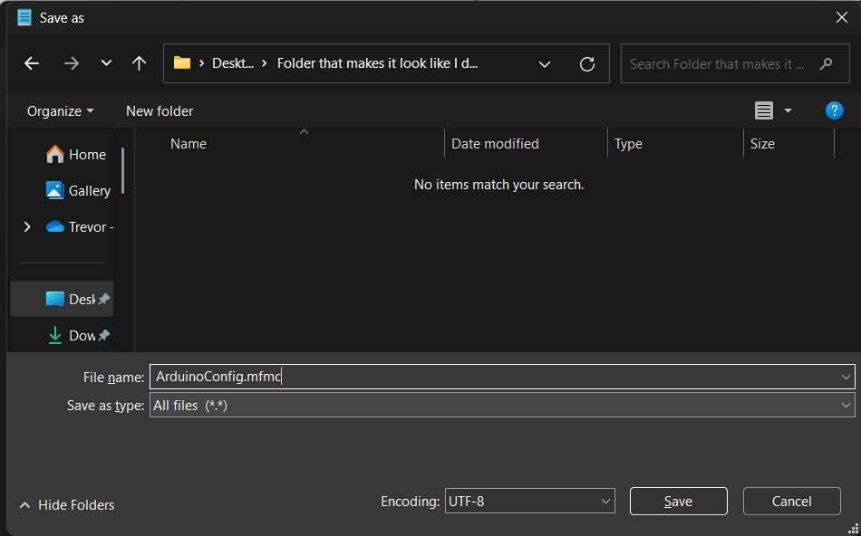
 | Instructions |  | Spreadsheet Last Edited: | 2025-02-06 | Access Original: | IDC Check Script Template -- SHARED
 | Make a Copy of this Spreadsheet (The attached Apps Script file and functionality will also be copied)
 | Make your spreadsheet in "Sheets to MFMC" according to the rules below
 | (For the first time) Go to Extensions/Apps Script
 | Click Run
 | Click Review Permissions and Sign In
 | Click Advanced
 | Click "Go to Spreadsheet to MFMC Widget (unsafe)"
 | ## Google freaks out about this because I haven't sent this to them for review. I've tested this to be safe and the script does not access data outside of the current spreadsheet.
 | Select All Permissions (Google Drive -- adds completed script to drive, Spreadsheets -- reads current spreadsheet's data)
 | (For every other time) Just click the "Click Me" button!
 | The gross blurb starting with <?xml version="1.0" encoding="utf-8"?> and ending with </Config> is your MFMC!
 | Create a new file in notepad
 | Paste your blurb into notepad
 | Save as it with suffix .mfmc (Select "save as type" as "All files") Refer to Image >>
 | MobiFlight, under MobiFlight Modules, Open the .mfmc file you just made!
 | Either Celebrate for Frustrate!

 | Rules, Rules (Murmur, Murmur)
1 | Encoders should have 2 rows with the first ending in _A and the second ending in _B
2 | Stepper Motors should have 4 rows ending in _IN1 through _IN4
3 | LED 7-Segment Displays should have 3 rows with suffix _DIN _CS _CLK
4 | Dashes are recommended for separation instead of underscores.
5 | It should be smart enough to ignore headers, you shouldn't have to delete named section breaks
6 | Identifier and Notes columns don't matter (Identifier number not required, adding notes won't ruin things)
7 | Feel free to move rows around but NOT COLUMNS in Sheets to MFMC
8 | Feel free to copy column C of IDC Breakout system for IDC Groupings
9 | Make sure to double check no names are duplicates!

 | Issues tracked here I'd love help if anyone wants to take a stab! (Feel free to respond on GitHub)

 | Script Here (as a backup)
 | function exportTextToXMLforMFMC() { var sheet = SpreadsheetApp.getActiveSpreadsheet().getActiveSheet(); var data = sheet.getDataRange().getValues(); var analogPinMap = { '0': '54', '1': '55', '2': '56', '3': '57', '4': '58', '5': '59', '6': '60', '7': '61', '8': '62', '9': '63', '10': '64', '11': '65', '12': '66', '13': '67', '14': '68', '15': '69' }; var xml = []; xml.push('<?xml version="1.0" encoding="utf-8"?>'); xml.push('<Config xmlns:xsi="http://www.w3.org/2001/XMLSchema-instance" xmlns:xsd="http://www.w3.org/2001/XMLSchema">'); xml.push(' <ModuleType>MobiFlight Mega</ModuleType>'); xml.push(' <ModuleName>test file</ModuleName>'); xml.push(' <PowerSavingTime>600</PowerSavingTime>'); var encoders = {}; // Store encoder pairs var steppers = {}; // Store stepper pins var ledModules = {}; // Store LED 7-Segment modules for (var i = 0; i < data.length; i++) { var row = data[i]; var name = row[1].toString().trim(); var columnCValue = row[2].toString().trim(); var columnDValue = row[3].toString().trim(); // Skip unwanted rows if (name === "GND" || name === "5V" || name === "+5V" || columnDValue === "Empty") { continue; } columnCValue = columnCValue.replace(/\(.*?\)/g, '').trim(); // Remove anything in parentheses var pinValue = ""; if (columnCValue.includes("Digital")) { pinValue = columnCValue.replace(/\D/g, ''); // Extract only numbers } else if (columnCValue.includes("Analog")) { var match = columnCValue.match(/\d+/); if (match) { var pinNumber = match[0]; pinValue = analogPinMap[pinNumber] || pinNumber; } } else { pinValue = columnCValue; } // Handle each device type if (columnDValue === "LED / Output") { xml.push(' <Output Name="' + name + '" Pin="' + pinValue + '" />'); } else if (columnDValue === "LED 7-Segment") { var baseName = name.replace(/_(DIN|CS|CLK)$/, ""); // Extract base n | << Copy this cell

 | Created by Trevor Olsen "Captain Bob", Stay Spicy

